Info
seen patients
not trigger = no encounter
triggered = has an encounter
reported (i.e. measure executed and report submitted) = has an encounter (initial-pop in the cql)

Plan Def: https://github.com/DBCG/aphl-chronic-disease-surveillance-ig/blob/main/input/resources/plandefinition/ChronicDSSeenPatients.xml
CQL: https://github.com/DBCG/aphl-chronic-disease-surveillance-ig/blob/main/input/cql/SeenPatients.cql

Events: http://build.fhir.org/ig/HL7/fhir-medmorph/CodeSystem-us-ph-triggerdefinition-namedevents.html
Patient Profile: http://hl7.org/fhir/us/ecr/StructureDefinition/us-ph-patient
id: <test case name> identifier: system: value: name: given: family: telecom:phone: system: value: gender: female birthdate: address: line: city: state: postalcode:
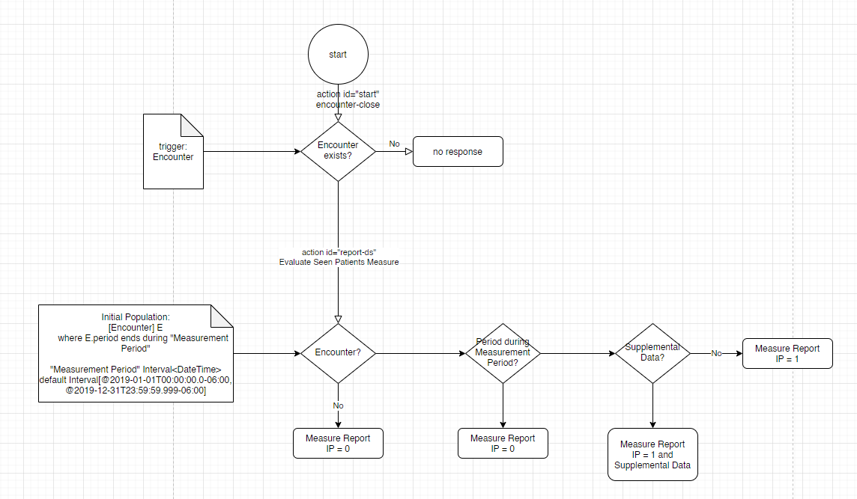

Encounter Profile: http://hl7.org/fhir/us/ecr/StructureDefinition/eicr-encounter
id: <test case name>-enc status: finished class: IMP type: 99234 subject: <test case name>

